Charts
Social Media Usage vs. Anxiety Level
 | anxiety_level
7.80 | 7.00
4.50 | 8.00
1.40 | 8.00
1.50 | 7.00
5.40 | 6.00
2.40 | 4.00
5.50 | 4.00
4.80 | 6.00
7.50 | 10.00
1.30 | 9.00
4.70 | 5.00
1.50 | 5.00
5.50 | 3.00
6.90 | 10.00
7.70 | 10.00
2.20 | 10.00
5.60 | 9.00
6.70 | 1.00
2.70 | 5.00
1.40 | 2.00
7.90 | 8.00
1.30 | 2.00
2.00 | 9.00
2.00 | 8.00
4.80 | 1.00
5.60 | 10.00
4.60 | 8.00
7.40 | 5.00
4.20 | 10.00
6.50 | 5.00
7.50 | 4.00
2.00 | 4.00
1.30 | 4.00
5.40 | 2.00
8.00 | 7.00
5.20 | 9.00
2.30 | 9.00
1.60 | 8.00
4.00 | 8.00
3.50 | 5.00
1.80 | 2.00
3.00 | 10.00
1.30 | 9.00
4.00 | 9.00
1.80 | 8.00
1.10 | 6.00
4.20 | 5.00
1.70 | 5.00
2.50 | 3.00
7.20 | 3.00
...
Social Media Usage vs. Stress Level
 | stress_level
7.80 | 10.00
4.50 | 7.00
1.40 | 2.00
1.50 | 10.00
5.40 | 5.00
2.40 | 8.00
5.50 | 3.00
4.80 | 3.00
7.50 | 3.00
1.30 | 4.00
4.70 | 10.00
1.50 | 4.00
5.50 | 2.00
6.90 | 10.00
7.70 | 7.00
2.20 | 1.00
5.60 | 9.00
6.70 | 2.00
2.70 | 6.00
1.40 | 5.00
7.90 | 5.00
1.30 | 8.00
2.00 | 2.00
2.00 | 8.00
4.80 | 4.00
5.60 | 2.00
4.60 | 1.00
7.40 | 1.00
4.20 | 3.00
6.50 | 6.00
7.50 | 9.00
2.00 | 9.00
1.30 | 2.00
5.40 | 2.00
8.00 | 9.00
5.20 | 7.00
2.30 | 5.00
1.60 | 8.00
4.00 | 7.00
3.50 | 4.00
1.80 | 6.00
3.00 | 5.00
1.30 | 10.00
4.00 | 4.00
1.80 | 2.00
1.10 | 8.00
4.20 | 10.00
1.70 | 9.00
2.50 | 9.00
7.20 | 6.00
...
Screen Time Before Sleep vs. Sleep Duration
 | 'sleep_hours
2.10 | 4.20
1.90 | 4.40
2.30 | 4.50
1.70 | 7.20
0.60 | 4.90
1.60 | 6.20
1.80 | 5.50
0.60 | 6.00
2.30 | 5.60
0.90 | 4.90
2.40 | 4.70
0.80 | 6.80
2.80 | 6.00
0.80 | 8.20
1.20 | 8.50
1.40 | 5.30
1.40 | 6.50
0.60 | 4.30
2.60 | 5.40
1.80 | 6.60
1.50 | 4.70
0.90 | 4.40
1.10 | 4.70
1.20 | 8.70
2.20 | 4.30
2.40 | 8.00
2.00 | 8.60
0.90 | 8.60
1.20 | 8.40
1.20 | 6.20
1.80 | 7.40
1.70 | 4.50
0.50 | 7.60
1.50 | 4.90
1.30 | 5.70
1.50 | 5.60
0.90 | 4.30
2.60 | 8.60
2.90 | 5.00
2.70 | 6.10
1.40 | 5.20
1.00 | 6.00
0.90 | 8.70
1.90 | 7.90
1.20 | 8.90
3.00 | 6.40
1.00 | 5.70
2.70 | 6.50
1.80 | 6.30
1.20 | 7.70
...
Average Stress Level by Social Media Platform
 | Average
Instagram | 5.498783455
TikTok | 5.2889447236
Both | 5.5498721228
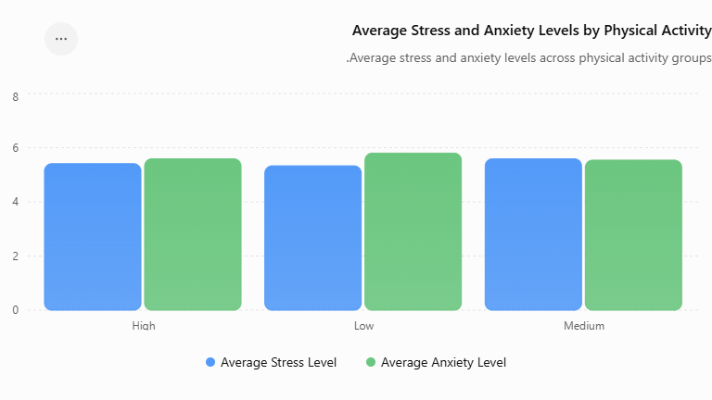

Pearson r = 0.028 | Very weak linear association between social media usage and anxiety level. | Pearson r = 0.031 | Very weak linear association between social media usage and stress level. | Pearson r = 0.010 | Very weak linear association between screen time before sleep and sleep duration. | Clarifying Note: The Both group had the highest average stress level (5.55) among the three platform usage groups. However, the ANOVA result did not indicate a statistically significant difference in average stress levels across the groups. | **Clarifying Note:** The Medium physical activity group had the highest average stress level (5.59), while the Low physical activity group had the highest average anxiety level (5.80). Overall, the differences between the groups were relatively small.

